Sheet2
 | inc_band_per100k | sum(LTBP)/sum(NUMP) | sum(LTBP.low)/sum(NUMP) | sum(LTBP.high)/sum(NUMP)
1 | 0-49 | 0.07385811 | 0.03416977 | 0.1513487
2 | 100-199 | 0.22722272 | 0.15494793 | 0.3445293
3 | 200+ | 0.38454504 | 0.30411496 | 0.4688783
4 | 50-99 | 0.259787 | 0.1932141 | 0.3341825

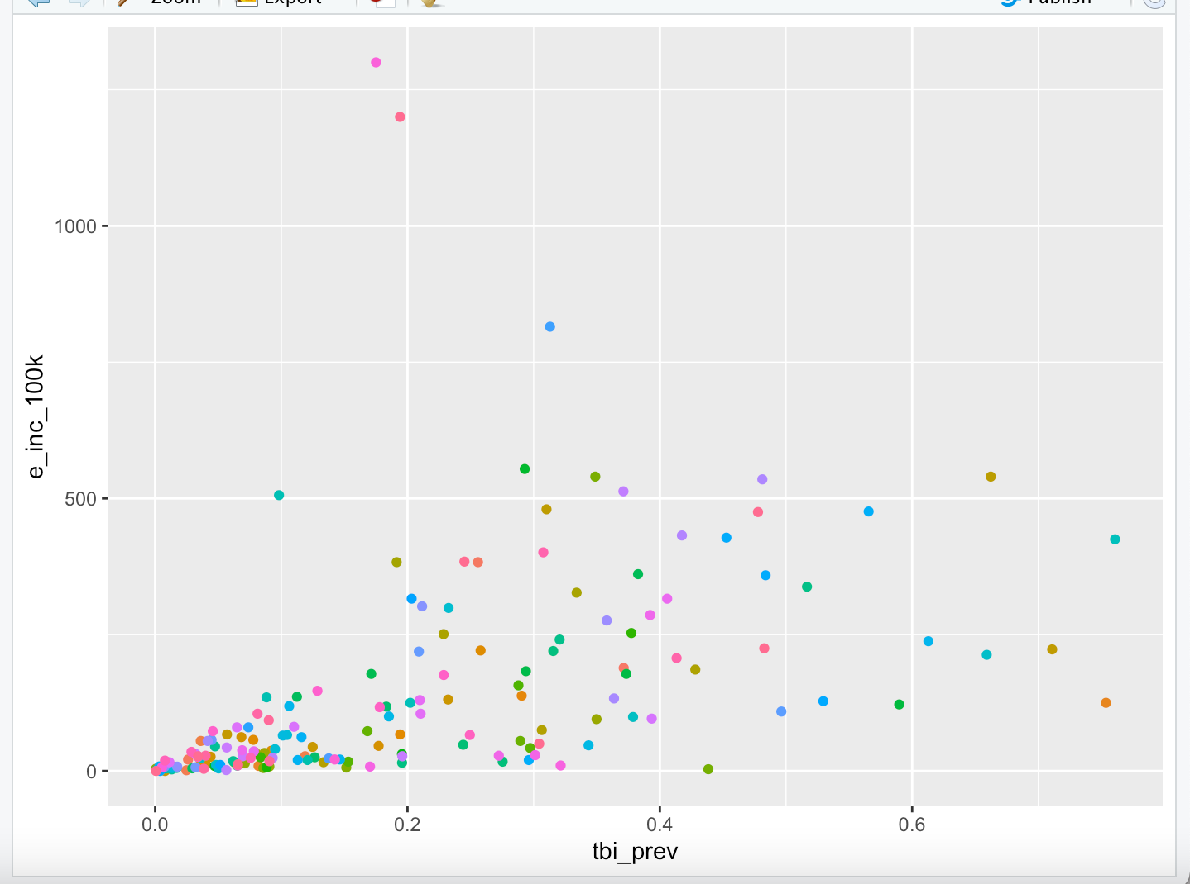

 |  | ISO3 | e_inc_100k
 | 1 | CHN | 75
 | 2 | CPV | 95
 | 3 | DZA | 73
 | 4 | KOR | 99
 | 5 | MYS | 80
 | 6 | ROU | 96
 | 7 | RUS | 81
 | 8 | RWA | 80
 | 9 | TGO | 73
 | 10 | UZB | 93

